Sheet1
Item# | Name | Case Pack | Cases | Loose Pcs | Total Units | Photo
16-501 | LOL LUNCH KIT | 24 | 10 | 0 | 240 | 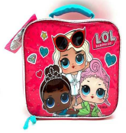
15-400 | BARBIE COSMETIC CASE FRIENDS FUR-EVER | 6 | 2 | 5 | 17 | 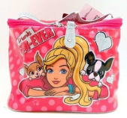
6161 | MONSTER HIGH HANDBAG | 6 | 7 | 0 | 42 | 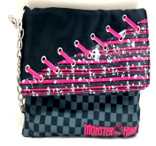
17271 | AVENGERS 3-D LUNCH KIT W/LONG STRAPS RUZ | 12 | 3 | 6 | 42 | 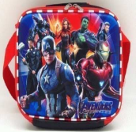
14097 | MOANA 3-D LUNCH KIT W/LONG STRAP RUZ | 12 | 6 | 4 | 76 | 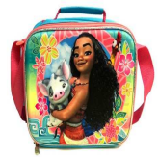
17828 | VAMPIRINA 3-D 12" BACKPACK W/PRINTED STRAPS RUZ | 12 | 20 | 0 | 240 | 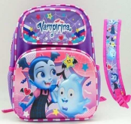
17829 | VAMPIRINA 3-D 16" BACKPACK W/PRINTED STRAPS RUZ | 12 | 20 | 0 | 240 | 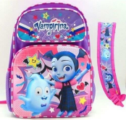
13924 | MOANA 3-D 16" LRG. BP RUZ | 12 | 18 | 7 | 223 | 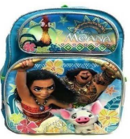
20944 | BABY SHARK 14" BACKPACK (Sound does not work) | 6 | 40 | 0 | 240 | 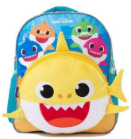
21068 | BABY SHARK 14" BACKPACK W/PRINTED STRAPS (Sound does not work) | 24 | 10 | 0 | 240 | 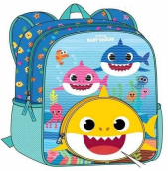
19955-AZ | HARRY POTTER 16 " BACKPACK | 16 | 1 | 0 | 16 | 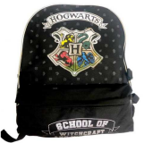
449 | THE MANDALORIAN 16" BACKPACK W/HEAD SHAPED FRONT POCKET | 24 | 11 | 4 | 268 | 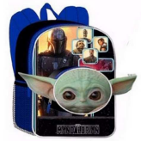
19120 | MICKEY PLUSH HEAD DRAWSTRING 10" BAG | 12 | 2 | 3 | 27 | 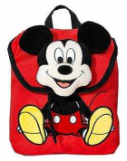
 |  |  |  |  | 1911

